AFOR
(REGIONAL LOGO)

Republic of the Philippines
Department of the Interior and Local Government
Bureau of Fire Protection
(INSERT REGION)
(INSERT ADDRESS)
(INSERT CONTACT NUMBER / EMAIL ADDRESS)

AFTER FIRE OPERATIONS REPORT

Please fill out all required fields carefully and double-check your answers before submitting. If a question doesn’t apply, type “N/A.”

A. RESPONSE DETAILS
1 | Type of Responder (select only one)
 | / | First Responder | Gwen's Fire Station
 |  | Augmenting Team | (Name of Fire Station)
2 | Date Fire Notification Received (mm-dd-yyyy) |  | 2004-08-22
3 | Time Fire Notification Received (24 hour format) |  | 22:22:00
4 | Region |  | NCR
 | Province/District |  | Fire District 1
 | City/Municipality |  | City of Manila
 | Complete Address of Fire Incident |  | 6 Malaruhat St. Amparo Village, Caloocan City
5 | Nearest Landmark (if applicable) |  | SM Fairview
6 | Name and Contact Number of Caller/Reporter |  | Gwen Tendero / 09762837181
7 | Name of Personnel Who Received the Call/Report |  | Ms. Anna
8 | Name of Engine Dispatched |  | 92012-EERRE-ERER
 |  |  | 1234-24234-233

9 | Time Engine Dispatched (24 hour format) |  | 1:23:00
 |  |  | 1:25:00

10 | Time Arrived at Fire Scene (24 hour format) |  | 1:49:00
 |  |  | 1:58:00

11 | Total Response Time in Minutes (=10-3) |  | 24
12 | Approximate Distance of Responding Unit to Fire Scene (in kilometer) |  | 9.8
13 | Highest Alarm Level Tapped |  | Third Alarm
14 | Time Returned to Base (24 hour format) |  | 5:21:00
15 | Total Gas Consumed (in Liter) |  | 21

B. NATURE AND CLASSIFICATION OF INVOLVED
16 | Classification of Involved
 |  | Structural (pick from dropdown list)
 |  | Non-Structural (pick from dropdown list)
 | / | Transportation (pick from dropdown list) | E-bike
17 | Name of Owner / Name of Establishment |  | Nathan Cabrales
18 | General Description of Involved (basic construction type, make, built, brand, model of the involved) |  | It is very big and stony. Needs Fuel
19 | Area of Origin (example: living room, dinning room, kitchen, basement, garage, bedroom and/or vehicle) |  | Kitchen
20 | Stage of Fire Upon Arrival (pick from dropdown list) |  | Incipient
21 | Extent of Damage (select only one)
 |  | None/Minor Damage | (describe object or damage)
 | / | Confined to Object/Vehicle | Engine destroyed
 |  | Confined to Room | (total floor area in sqmts)
 |  | Confined to Structure or Property | (total floor area in sqmts / total land area in hectares)
 |  | Total Loss | (total floor area in sqmts / total land area in hectares)
 |  | Extended Beyond Structure or Property | (how many structures affected / objects / vehicles or properties are involved)
22 | Number of Structures Affected |  | 12
23 | Number of Household Affected |  | 12
24 | Number of Families Affected |  | 12
25 | Number of Individuals Affected |  | 12
26 | Number of Vehicles Affected |  | 12

C. ASSETS AND RESOURCES
27 | Response Vehicles (Check all applicable)
 | / | BFP Fire Trucks | 67
 | / | BFP Manned Fire Trucks (LGU Owned) | 67
 |  | Non-BFP Fire Trucks | 67
 | / | BFP Ambulance | 67
 | / | Non-BFP Ambulance | 67
 | / | BFP Rescue Trucks | 67
 | / | Non-BFP Rescue Trucks | 67
 | / | Others, specify | Rescue Boat
28 | Tools and Equipment (Check all applicable)
 | / | Self-Contained Breathing Apparatus (SCBA) | 67
 | / | Rope | 67
 | / | Ladder | 67
 | / | Hoseline | 67 inches 2x
 | / | Hydrolic Tools & Equipment | 67
 | / | Others, specify | Water
29 | Location and Distance of Nearest serviceable Fire Hydrant |  | 500m

D. FIRE ALARM LEVEL |  |  | (24 hour format) | (mm-dd-yyyy) | (Incident Commander/Ground Commander)
30 | 1ST ALARM-FOUA |  | 22:12:00 | 2004-08-22 | Earl Justin Camama
 | 1ST ALARM |  | 23:12:00 | 2004-08-22 | Earl Justin Camama
 | 2ND ALARM |  | 0:23:00 | 2004-08-22 | Earl Justin Camama
 | 3RD ALARM |  | 1:10:00 | 2004-08-22 | Earl Justin Camama
 | 4TH ALARM |  | 1:11:00 | 2004-08-22 | Earl Justin Camama
 | 5TH ALARM |  | 1:12:00 | 2004-08-22 | Earl Justin Camama
 | TASK FORCE ALPHA |  | 1:14:00 | 2004-08-22 | Earl Justin Camama
 | TASK FORCE BRAVO |  | 1:15:00 | 2004-08-22 | Earl Justin Camama
 | TASK FORCE CHARLIE |  | 1:16:00 | 2004-08-22 | Earl Justin Camama
 | TASK FORCE DELTA |  | 1:17:00 | 2004-08-22 | Earl Justin Camama
 | GENERAL ALARM |  | 1:29:00 | 2004-08-22 | Earl Justin Camama
 | FIRE UNDER CONTROL (FUC) |  | 2:22:00 | 2004-08-22 | Earl Justin Camama
 | FIRE OUT (FO) |  | 3:10:00 | 2004-08-22 | Earl Justin Camama
31 | Incident Command Post (ICP) (select only one)
 | / | With | Basta Doon
 |  | Without

E. PROFILE OF CASUALTIES |  |  | Male | Female
32 |  | Injured Civilian | 67 | 67
 |  | Injured BFP Firefighter | 67 | 67
 |  | Injured Fire Auxiliary | 67 | 67
 |  | Civilian Fatality/ies | 67 | 67
 |  | BFP Firefighter Fatality/ies | 67 | 67
 |  | Fire Auxiliary Fatality/ies | 67 | 67

F. PERSONNEL-ON-DUTY |  |  | Rank / Name of personnel
33 | Engine Commander |  | Dela Cruz / Commander
 | Shift-in-Charge |  | Dela Cruz / Commander
 | Nozzleman |  | Dela Cruz / Commander
 | Lineman |  | Dela Cruz / Commander
 | Engine Crew |  | Dela Cruz / Commander
 | Driver / Pump Operator (DPO) |  | Dela Cruz / Commander
 | Safety Officer in charge / contact number |  | Dela Cruz / Commander
 | Fire and Arson Investigator/s in charge / contact number |  | Dela Cruz / 098728392942

G. OTHER BFP PERSONNEL AND SIGNIFICANT PERSONALITIES PRESENT AT THE FIRE SCENE |  |  |  | Remarks (Designation, Agency affiliated)
34 | Gwen Tendero |  |  | pogi
 | Nathan Cabrales |  |  | pogi
 | Earl Justin |  |  | pogi
 | Red Gabrielle |  |  | pogi

H. SKETCH OF THE FIRE SCENE (use sketch type and satellite view image)
35 | 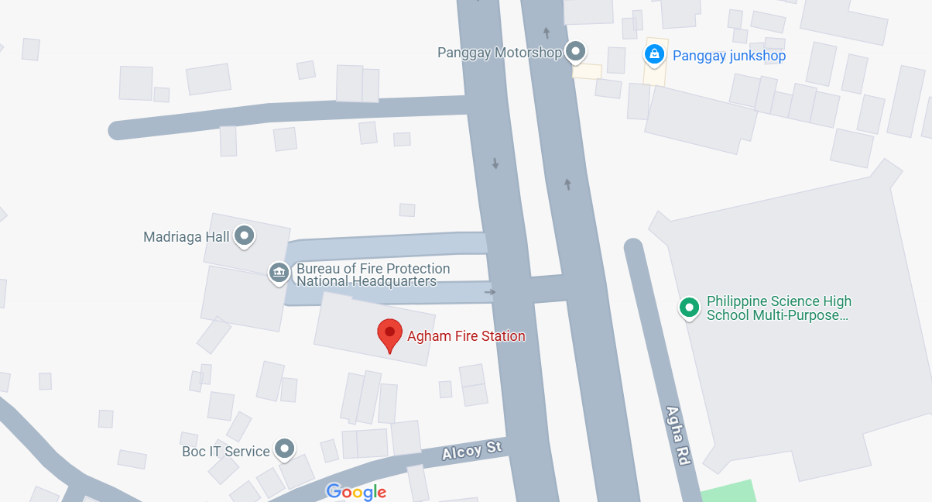 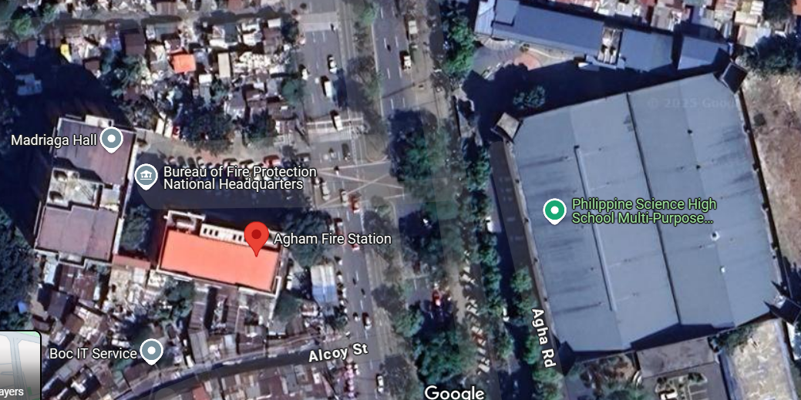

Legend:

BFP
BFP Ambulance
Fire
Incident Command Post

Fire Auxiliary
Other Agency Ambulance
Fire Hydrant

I. NARRATIVE CONTENT (Write in chronological order)
36
 | On or about (time & date call/report received), (Name of duty Floor watch/ FCOS) received a call/ report from (name of caller/ reporter) with telephone/ CP number 098828392421 regarding a (description of type of involved e.g. Residentia)l fire at (address) near (landmark)

 | Dispatch of Engine Crew and Augmentation upto arrival at the scene: indicate where the fire truck is located when it was dispatched to fire scene, whether it is conducting OLP, fire drill, stand-by, etc.. Enumerate other fire trucks, assests and resources dispatched. Describe the traffic, road and community condition on route to location, is it rush hour, are there double parking cars, stampede, etc. that caused delay in the response time.

 | The Optimus Prime was immediately dispatched on or about (time) while the crew is conducting OLP at (address).
 | On route to Barangay 179, the crew was hampered by several road humps, Santacruzan, church activities and car being towed.
 | Emphasize CONDUCT OF PHASES OF FIRE SUPPRESSION OPERATION RESPONSE
 | Arrival at the scene: impression of the incident, classification of involved, stage of fire, extent of damage, scene size-up, safety and security concerns, possibility of raising alarm status due to population number, presence of hazmat, insufficiency of manpower, fire engine, tools, equipment and other resources.

 | The (name of fire engine or other resources) arrived at the scene on or about (time). Total response time is (time in minutes).
 | Upon arrival at the scene, the fire is already in fully developed stage, it already engulped the whole structure and neigbors are already exposed to smoke.
 | Upon scene size-up, (Name of SO), Safety Officer, declared that entering the building is no longer safe and sound.
 | The team was informed that there are no trapped individual/ pet inside.

 | Operational Details: enumerate alarm status raised and the Ground Commander in-charge until fire out. Include the time of overhauling stage until engines left the scene.

 | On or about (time), (Name) Shift-in-Charge, declared 1st Alarm. On or about (time), (Name) Chief, Operations, declared 2nd Alarm.
 | On or about (time), (Name) City Fire Marshal, declared 3rd Alarm. On or about (time), (Name) City Fire Marshal, declared under control.
 | Finally, on or about (time), (Name) City Fire Marshal, declared fire out. The crew finished overhauling on or about (time).
 | The (name fire engine or other resources) is in quarter on or about (time).

 | Casualty: If there are injured victims indicate the total number and identify whether civilian, BFP or Fire Auxiliary. State the name, gender, age, condition if there are, the nature of their injuries, or the cause of death if available. If there are fatalities, indicate whether they are trapped and why they are trapped inside if information is available.

 | There were no reported casualty during the operation.

 | Other significant facts/events: Hello World

J. PROBLEMS ENCOUNTERED (before, during and after fire operations) / (chek all applicable)
37 | / | Inaccurate address / no landmarks especially in provinces resulting to difficulty in finding the involved
 | / | Geographically challenged (distance of fire station to community: mountainous, inter-island and the like)
 | / | Road conditions (double parking, narrow obstructed streets, rough roads, traffic lights malfunction, congested U-turn slots, merging roads, influx of pedestrians from places of assembly especially during rush hours , multiple humps, steep roads, open man holes/sewer, ambulant vendors obstruction, overhanging trees/branches, overhanging canopy of houses, dangling wires and the like)
 | / | Road under construction / under repair
 | / | Traffic congestion
 | / | Road accidents
 | / | Vehicles failure to yield
 | / | Natural Disasters / Natural Phenomenon (Floodings / landslides, earthquakes others)
 | / | Civil Disturbance (Riots/Rallies)
 | / | Uncooperative / panicked residents
 | / | Safety and security threats (insurgents/terrorist/violent residents)
 | / | Response delays due to lack of cooperation from property security and/or owner (ex. PEZA)
 | / | Engine failure / mechanical problems while enroute
 | / | Uncooperative Fire Auxiliary
 | / | Poor water supply access
 | / | Intense heat and smoke during firefighting operation
 | / | Structural hazards (building collapse, electrical hazard, falling debris)
 | / | Equipment mulfunction (faulty hoses, overheating or any mechanical issues of fire trucks or pumps)
 | / | Lack of coordination with other emergency response teams (police, medics etc)
 | / | Breakdown in radio communication due to distance, building structures, or system failure
 | / | HazMat (contamination, chemical leaks etc)
 | / | Physical exhaustion and injuries
 | / | Emotional and psychological effects
 | / | Community complaints against responders
 | / | This should be the others

K. RECOMMENDATION/S
38 | Recommendation should solve the above stated problems encoutered.

L. DISPOSITION
39 | As of this date, no complaint has been filed against this Fire Station in relation to the fire suppression operation conducted. Accordingly, this report is hereby referred to the Intelligence and Investigation Unit/Section for further verification and fire cause determination. The said unit shall update and notify the Operations Unit/Section, through an official certification, should there be any developments or findings arising from the investigation that may affect the existing data and statistics.

 | Prepared by: |  |  | Noted by:
 |  | Gwen Tendero |  | Earl Camama

 | Shift-in-Charge |  |  | Engine Company Commander

